Sheet1
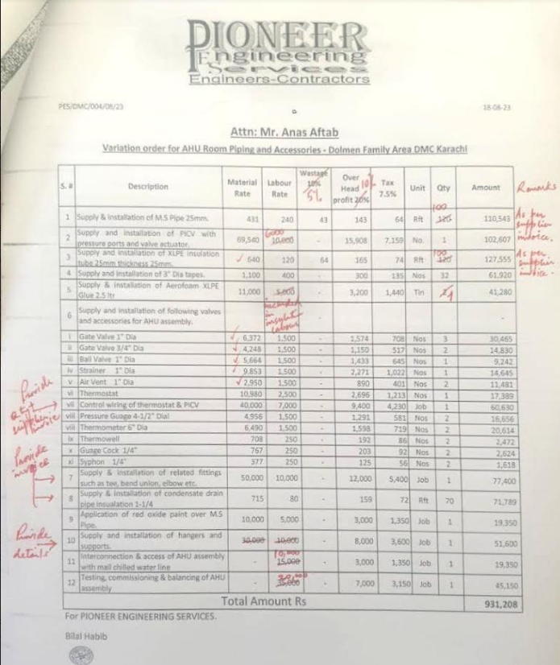

PES/DMC/004/08/23 |  |  |  |  |  |  |  |  | 2023-09-14

Attn: Mr. Anas Aftab

Variation order for AHU Room Piping and Accessories - Dolmen Family Area DMC Karachi

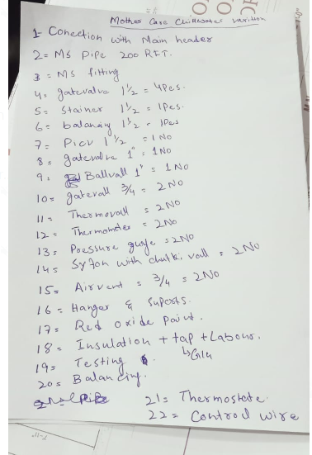
S. # | Description | Material Rate | Labour Rate | Waste 05% | Over Head profit 10% | Tax 7.5% | Unit | Qty | Amount
1 | Supply & installation of M.S Pipe 25mm | 431 | 240 | 22 | 69 | 57 | Rft | 120 | 98,273
2 | Supply & installation of PICV 25mm with Pressure ports and valve actuator. | 69,540 | 15,000 | - | 8,454 | 6,975 | No. | 1 | 99,969
3 | Supply and installation of Room Thermostat | 12,810 | 2,500 | - | 1,531 | 1,263 | Nos | 2 | 36,208
4 | Control wiring of thermostat & PICV (1.5mm 3 core) | 95 | 70 | - | 17 | 14 | Rft | 65 | 12,682
5 | Supply and installation of XLPE insulation tube 25mm thickness 25mm | 640 | 120 | 32 | 79 | 65 | Rft | 120 | 112,385
6 | Supply and installation of 3" Dia tapes. | 1,200 | 400 | - | 160 | 132 | Nos | 32 | 60,544
7 | Supply & installation of Aerofoam XLPE Glue 2.5 ltr | 11,000 | 5,000 | - | 1,600 | 1,320 | Tin | 2 | 37,840
8 | Supply and installation of following valves and accessories for AHU assembly. |  |  | - | - |  |  |  | -
* | Gate Valve 1" Dia | 6,372 | 1,500 | - | 787 | 649 | Nos | 4 | 37,235
* | Gate Valve 3/4" Dia | 4,248 | 1,500 | - | 575 | 474 | Nos | 2 | 13,594
* | Ball Valve 1" Dia | 5,664 | 1,500 | - | 716 | 591 | Nos | 1 | 8,471
* | Strainer 1" Dia | 9,853 | 1,500 | - | 1,135 | 937 | Nos | 1 | 13,425
* | Air Vent 3/4" Dia | 2,950 | 1,500 | - | 445 | 367 | Nos | 2 | 10,524
* | Pressure Guage 4-1/2" Dial | 4,956 | 1,500 | - | 646 | 533 | Nos | 2 | 15,268
* | Thermometer 6" Dia | 6,490 | 1,500 | - | 799 | 659 | Nos | 2 | 18,896
* | Syphon 1/4" | 377 | 250 | - | 63 | 52 | Nos | 2 | 1,483
* | Guage Cock 1/4" | 767 | 250 | - | 102 | 84 | Nos | 2 | 2,405
* | Thermowell | 708 | 250 | - | 96 | 79 | Nos | 2 | 2,266
* | Balancing Valve 1" Dia | 11,350 | 2,000 | - | 1,335 | 1,101 | Nos | 1 | 15,786
9 | Supply & installation of related fittings such as tee, bend union, elbow etc. | 21,090 | 7,500 | - | 2,859 | 2,359 | Job | 1 | 33,808
10 | Supply & installation of condensate drain pipe insulation 1-1/4 | 715 | 80 | - | 80 | 66 | Rft | 70 | 65,806
11 | Application of red oxide paint over M.S Pipe. | 10,000 | 5,000 | - | 1,500 | 1,238 | Job | 1 | 17,738
12 | Supply and installation of hangers and supports such as pipe supports, anchor bolt, hanging clips and rods. | 30,000 | 10,000 | - | 4,000 | 3,300 | Job | 1 | 47,300
13 | Interconnection & access of AHU assembly with mall chilled water line | - | 15,000 | - | 1,500 | 1,238 | Job | 1 | 17,738
14 | Testing, commissioning & balancing of AHU assembly | - | 35,000 | - | 3,500 | 2,888 | Job | 1 | 41,388
Total Amount Rs |  |  |  |  |  |  |  |  | 821,031
For PIONEER ENGINEERING SERVICES.

Bilal Habib

